Sheet1
 |  | Inputs
 |  | Inboard (P1)
 |  | x | y | z
 | Up-Fore | -460 | 188 | 225
 | Up-Aft | -705 | 200 | 188
 | Low-Fore | -530 | 225 | 65
 | Low-Aft | -733 | 230 | 87
 | Push/Pull | -590 | 250 | 110
 | Tie/Toe | -500 | 130 | 180
 |  | Outboard (P2)
 | Up-Fore | -610 | 505 | 352
 | Up-Aft | -610 | 505 | 352
 | Low-Fore | -590 | 520 | 135
 | Low-Aft | -590 | 520 | 135
 | Push/Pull | -610 | 505 | 352
 | Tie/Toe | -500 | 520 | 200
 |  | Locations of Applied Forces from Tire on Ground
 | Fx | -587 | 580 | 0
 | Fy | -587 | 580 | 0
 | Fz | -587 | 580 | 0

 |  | Calculations
 |  | Unit Vectors
 | Up-Fore | -0.40 | 0.85 | 0.34
 | Up-Aft | 0.26 | 0.85 | 0.46 |  | Array Equation
 | Low-Fore | -0.19 | 0.95 | 0.23 |  | ctrl + shft + enter!
 | Low-Aft | 0.44 | 0.89 | 0.15
 | Push/Pull | -0.06 | 0.72 | 0.69
 | Tie/Toe | 0.00 | 1.00 | 0.05

 |  | Moment Arm (Dist to Moment Center)
 | Moment Center | 0 | 0 | 0

 | Up-Fore | -460 | 188 | 225
 | Up-Aft | -705 | 200 | 188
 | Low-Fore | -530 | 225 | 65
 | Low-Aft | -733 | 230 | 87
 | Push/Pull | -590 | 250 | 110
 | Tie/Toe | -500 | 130 | 180

 | Fx | -587 | 580 | 0
 | Fy | -587 | 580 | 0
 | Fz | -587 | 580 | 0

 |  | Applied Forces
 |  | Force Vectors
 | Loadcase #: | 6
 |  | x | y | z
 | Fx | 956.475 | 0 | 0
 | Fy | 0 | 0 | 0
 | Fz | 0 | 0 | 956.475
 |  | Mx | My | Mz
 | M from Fx | 0 | 0 | -554755.5
 | M from Fy | 0 | 0 | 0 |  | Array Equation ctrl + shft + enter!
 | M from Fz | 554755.5 | 561450.825 | 0

 |  |  |  |  |  |  |  |  |  |  |  |  |  | Array Equation ctrl + shft + enter!
 |  |  |  |  |  |  | Array Equation ctrl + shft + enter!
 |  | Up-Fore | Up-Aft | Low-Fore | Low-Aft | Push/Pull | Tie/Toe
 | ΣFx | -0.40 | 0.26 | -0.19 | 0.44 | -0.06 | 0.00 |  | F_Up-Fore |  | -956.475 |  |  | 480.27917136 | Up-Fore
 | ΣFy | 0.85 | 0.85 | 0.95 | 0.89 | 0.72 | 1.00 |  | F_Up-Aft |  | 0 |  |  | 2676.968613 | Up-Aft
 | ΣFz | 0.34 | 0.46 | 0.23 | 0.15 | 0.69 | 0.05 |  | F_Low-Fore |  | -956.475 |  |  | 1973.886745 | Low-Fore
 | ΣMx | -127 | -68 | -11 | -43 | 92 | -173 | * | F_Low-Aft | = | -554755.5 |  |  | -2938.7311237 | Low-Aft
 | ΣMy | 66 | 372 | 107 | 146 | 399 | 26 |  | F_Push/Pull |  | -561450.825 |  |  | -3472.6808559 | Push/Pull
 | ΣMz | -315 | -652 | -462 | -751 | -413 | -499 |  | F_Tie/Toe |  | 554755.5 |  |  | 556.78806108 | Tie/Toe

 |  |  |  | A |  |  |  | * | X | = | b |  |  | X = A-1 * b

 |  | Inputs
 | m_carPlusDriver | 300 | kg
 | h_centerOfGravity | 0.30 | m
 | Track | 1.50 | m
 | Wheelbase | 2.00 | m
 | r_tireLoaded | 0.24 | m

1 | 2 | 3 | 4 | 5 | 6 | 7 | 8 | 9 | 10 | 11 | 12 | 13 | 14 | 15 | 16 | 17
 | Loadcase Name | Failure Mode | Long G | Lat G | Velocity | Aero Down | Aero Drag | WT_lateral | WT_long | Fz_% | Fx_car | Fy_car | Fx | Fy | Fz | Fx-Added Height |  |  | Up-Fore | Up-Aft | Low-Fore | Low-Aft | Push/Pull | Tie/Toe
 |  |  | + for accel | +outside for wheel |  |  |  |  |  |  |  |  |  |  |  | For Driveshafts |  |  | 480 | 2677 | 1974 | -2939 | -3473 | 557
1 | None | Fatigue |  |  |  |  |  |  |  |  |  |  | 0 | 0 | 0 | 0 | no driveshafts for front wheels | 1 | 0 | 0 | 0 | 0 | 0 | 0 | 0 | wrong force
2 | Static | Fatigue |  |  |  |  |  | 0 | 0 | 25% | 0 | 0 | 0 | 0 | 736 | 0 |  | 2 | 992 | 1,286 | -96 | -212 | -2,343 | 41 | 0
3 | Max Braking | Fatigue | -1.25 | 0.00 |  |  |  | 0 | -551.8125 | 16% | -3679 | 0 | -574.8046875 | 0 | 460 | 0 |  | 3 | 1,107 | 199 | -1,321 | 1,468 | -1,207 | -277 | 0 | -669.09302227 | 180.45%
4 | Max Turn | Fatigue | 0.00 | 2.00 |  |  |  | 1177.2 | 0 | 45% | 0 | 5886 | 0 | 2648.7 | 1324 | 0 |  | 4 | 2,322 | 2,966 | -3,569 | -1,701 | -3,534 | 333 | 0 | -1926.9879041 | 183.40%
5 | Max Speed | Fatigue | 0.00 | 0.00 |  |  |  | 0 | 0 | 25% | 0 | 0 | 0 | 0 | 736 | 0 |  | 5 | 992 | 1,286 | -96 | -212 | -2,343 | 41 | 0 | -1070.5488356 | 218.82% | FOS
6 | Max Accel | Fatigue | 1.00 | 0.00 |  |  |  | 0 | 441.45 | 33% | 2943 | 0 | 956.475 | 0 | 956 | 0 |  | 6 | 480 | 2,677 | 1,974 | -2,939 | -3,473 | 557 | 0 | -1391.7134863 | 249.53%
7 | Combined 1 | Fatigue | -1.00 | 1.00 |  |  |  | 588.6 | -441.45 | 28% | -2943 | 2943 | -809.325 | 809.325 | 809 | 0 |  | 7 | 1,940 | 762 | -2,918 | 1,617 | -2,007 | -302 | 0 | -1177.6037192 | 170.41%
8 | Combined 2 | Fatigue | 0.20 | 1.00 |  |  |  | 588.6 | 88.29 | 37% | 589 | 2943 | 214.839 | 1074.195 | 1074 | 0 |  | 8 | 1,484 | 2,367 | -1,046 | -1,443 | -3,239 | 278 | 0 | -1563.0013 | 207.25%
9 |  | Fatigue |  |  |  |  |  | 0 | 0 | 25% | 0 | 0 | 0 | 0 | 736 | 0 |  | 9 | 992 | 1,286 | -96 | -212 | -2,343 | 41 | 0 | -1070.5488356 | 218.82%
10 |  | Fatigue |  |  |  |  |  | 0 | 0 | 25% | 0 | 0 | 0 | 0 | 736 | 0 |  | 10 | 992 | 1,286 | -96 | -212 | -2,343 | 41 | 0 | -1070.5488356 | 218.82%
11 |  | Fatigue |  |  |  |  |  | 0 | 0 | 25% | 0 | 0 | 0 | 0 | 736 | 0 |  | 11 | 992 | 1,286 | -96 | -212 | -2,343 | 41 | 0 | -1070.5488356 | 218.82%
12 |  | Fatigue |  |  |  |  |  | 0 | 0 | 25% | 0 | 0 | 0 | 0 | 736 | 0 |  | 12 | 992 | 1,286 | -96 | -212 | -2,343 | 41 | 0 | -1070.5488356 | 218.82%
13 | Max Braking | Yield/Buckle | -1.90 | 0.00 |  |  |  | 0 | -838.755 | 11% | -5592 | 0 | -601.10775 | 0 | 316 | 0 |  | 13 | 935 | -79 | -1,360 | 1,583 | -739 | -299 | 0 | -460.33599932 | 160.49%
14 | Max Turn | Yield/Buckle | 0.00 | 2.75 |  |  |  | 1618.65 | 0 | 52% | 0 | 8093 | 0 | 4248.95625 | 1545 | 0 |  | 14 | 2,944 | 3,746 | -5,649 | -2,562 | -3,824 | 503 | 0 | -2248.1525548 | 170.11%
15 | Max Speed | Yield/Buckle | 0.00 | 0.00 |  |  |  | 0 | 0 | 25% | 0 | 0 | 0 | 0 | 736 | 0 |  | 15 | 992 | 1,286 | -96 | -212 | -2,343 | 41 | 0 | -1070.5488356 | 218.82%
16 | Max Accel | Yield/Buckle | 1.50 | 0.00 |  |  |  | 0 | 662.175 | 36% | 4415 | 0 | 1600.25625 | 0 | 1067 | 0 |  | 16 | 84 | 3,547 | 3,372 | -4,763 | -4,112 | 902 | 0 | -1552.2958117 | 264.88%
17 | Combined 1 | Yield/Buckle | -0.50 | 2.50 |  |  |  | 1471.5 | -220.725 | 46% | -1472 | 7358 | -680.56875 | 3402.84375 | 1361 | 0 |  | 17 | 3,101 | 2,501 | -6,033 | -193 | -3,153 | 51 | 0 | -1980.5153459 | 159.19%
18 | Combined 2 | Yield/Buckle | 0.20 | 2.20 |  |  |  | 1294.92 | 88.29 | 49% | 589 | 6475 | 285.471 | 3140.181 | 1427 | 0 |  | 18 | 2,319 | 3,567 | -3,586 | -2,771 | -3,863 | 538 | 0 | -2076.8647411 | 185.99%
19 | Max Bump | Yield/Buckle | 0.00 | 0.00 |  |  |  | 0 | 0 | 125% | 0 | 0 | 0 | 0 | 3679 | 0 |  | 19 | 4,960 | 6,428 | -478 | -1,060 | -11,713 | 204 | 0 | -5352.7441781 | 218.82%
20 |  | Yield/Buckle |  |  |  |  |  | 0 | 0 | 25% | 0 | 0 | 0 | 0 | 736 | 0 |  | 20 | 992 | 1,286 | -96 | -212 | -2,343 | 41 | 0 | -1070.5488356 | 218.82%
21 | Inside No WT | Yield/Buckle | 0.00 | -2.00 |  |  |  | 0 | 0 | 25% | 0 | -5886 | 0 | -1471.5 | 736 | 0 |  | 21 | 694 | 923 | 1,791 | 521 | -2,722 | -104 | 0 | -1070.5488356 | 254.25%
22 | Reverse Braking | Yield/Buckle | 1.75 | 0.00 |  |  |  | 0 | 0 | 25% | 5150 | 0 | 1287.5625 | 0 | 736 | 0 |  | 22 | -98 | 2,639 | 2,729 | -3,797 | -2,918 | 719 | 0 | -1070.5488356 | 272.55%
 |  |  |  |  |  |  |  |  |  |  |  |  |  |  |  |  | Highest Operating Force | Fatigue (only in tension) | 0 | 0 | -3569 | -2939 | -3534 | -302 | N | we use min because Tension is negative
 |  |  |  |  |  |  |  |  |  |  |  |  |  |  |  |  |  | Buckling | 4960 | 6428 | 3372 | 1617 | 0 | 902 | N
 |  |  |  |  |  |  |  |  |  |  |  |  |  |  |  |  |  | Comp | 4960 | 6428 | 3372 | 1617 | 0 | 902 | N
 |  |  |  |  |  |  |  |  |  |  |  |  |  |  |  |  |  | Tens | -98 | -79 | -6033 | -4763 | -11713 | -302 | N
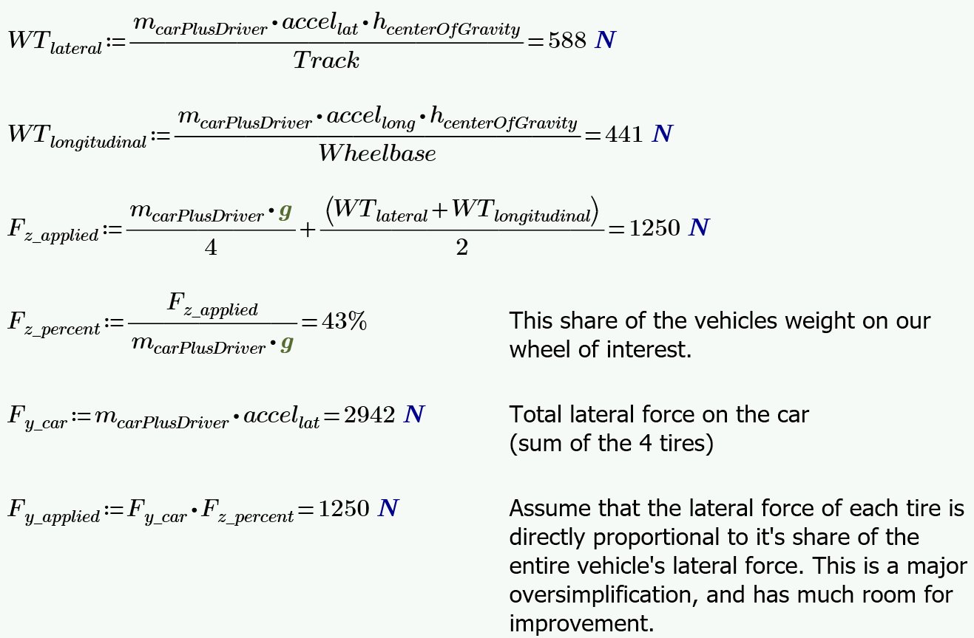
 |  |  |  |  |  |  |  |  |  |  |  |  |  |  |  |  | Column PPTYs | OD | 0.500 | 0.500 | 0.625 | 0.625 | 0.500 | 0.500 | in
 |  |  |  |  |  |  |  |  |  |  |  |  |  |  |  |  |  | Wall | 0.065 | 0.065 | 0.065 | 0.065 | 0.065 | 0.065 | in
 |  |  |  |  |  |  |  |  |  |  |  |  |  |  |  |  |  | Length |  |  |  |  |  |  | m

 |  |  |  |  |  |  |  |  |  |  |  |  |  |  |  |  |  | Fatigue in Tension

 |  |  |  |  |  |  |  |  |  |  |  |  |  |  |  |  |  | Tension Yield
 |  |  |  |  |  |  |  |  |  |  |  |  |  |  |  |  |  | Compression Yield
 |  |  |  |  |  |  |  |  |  |  |  |  |  |  |  |  |  | Euler Buckling
 |  |  |  |  |  |  |  |  |  |  |  |  |  |  |  |  |  | Buckling/Compression

